Probability Rules
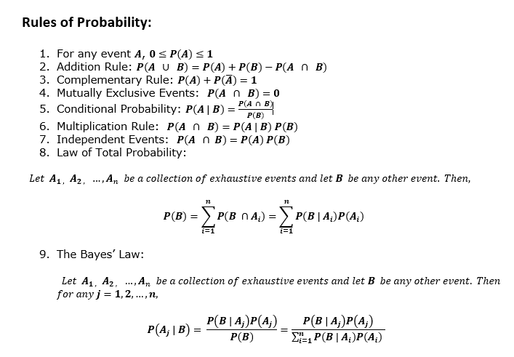
Probability

(A) Applied Probability (2)
Table 1 |  | Total PIP | 50
 | Conditions | Probability Notation | Count | Probability/Percentage
 | Event Q: Quality is satisfied if Quality Score > 550 | P(Q ) | 20 | 40.00%
 | Event S: Speed is satisfied if Speed < 11 days | P(S ) | 22 | 44.00%
 | Event C: Cost is satisfied if Cost < $180,000 | P(C ) | 17 | 34.00%

Table 2 | Description | Conditions | Probability Notation | Counts | Probability/Percentage
 | None of the three criteria is satisfied. | P(Score = 0) | P(QUSUC)' | 7 | 14.00%
 | Quality criterion is satisfied but not the others | P(Score = 1) | P(S'∩C'∩Q) | 11 | 22.00%
 | Speed criterion is satisfied but not the others | P(Score = 2) | P(Q'∩C'∩S) | 12 | 24.00%
 | Cost criterion is satisfied but not the others | P(Score = 3) | P(Q'∩S'∩C) | 7 | 14.00%
 | Quality and Speed are satisfied but the Cost is not | P(Score = 4) | P[(QUS)∩C'] | 3 | 6.00%
 | Quality and Cost are satisfied but the Speed is not | P(Score = 5) | P[(QUC)∩S'] | 3 | 6.00%
 | Speed and Cost are satisfied but the Quality is not | P(Score = 6) | P[(SUC)∩Q'] | 4 | 8.00%
 | All three criteria are satisfied | P(Score = 7) | P(Q∩S∩C) | 3 | 6.00%
 |  |  | TOTAL: | 50 | 100.00%

Image 1
 | Create a Venn Diagram using the count values from table 1 and the Score vaues from in table 2.
Venn Diagram of 50 companies and their Quality Control attributes
Q=20
7

11

 |  |  |  |  | `
3
3
3

12
7
4

S=22
C=17

Table 3 |  | Write down the notation for the Probability of the given event | Count: | Probability/Percentage
 | a) Of those who satisfied Speed, what percentage also satisfied Quality? | P(S∩Q) | 6 | 27.27%
 | b) Of those who satisfied Quality, what percentage also satisfied Cost? | P(Q∩C) | 6 | 30.00%
 | c) Of those who satisfied Speed, what percentage also satisfied Quality but did not satisfy the Cost? | P(S∩Q∩C') | 3 | 13.64%
 | d) Of those who satisfied Cost, what percentage also satisfied Quality but did not satisfy theSpeed? | P(C∩Q∩S') | 3 | 17.65%
 | e) Of those who did not satisfy Cost, what percentage satisfied Quality and Speed? | P(C'∩[S∩Q]) | 3 | 9.09%
 | f) What percentage satisfied exactly one of the three criteria? | P(Q'∩S'∩C) + P(Q'∩C'∩S) + P(S'∩C'∩Q) | 30 | 60.00%
 | g) Of those who satisfied at least two of the three criteria, what percentage satisfied exactly two criteria? | P(Q∩S∩C') + P(Q∩S'∩C) + P(Q'∩S∩C) | 10 | 76.92%
 | h) Of those who did not satisfy Cost, what percentage satisfied the Quality criterion? | P(Q∩C') | 14 | 42.42%

(B) Probability trees-1
 | You can use this tab to add and format your probability trees. Advise: creating a table will help you to better visualize the data before creating your probability trees.
 | Table 4: Probability Distribution for insurance coverage

 |  | With health insurance |  | Without health insurance
 |  | > 5 time a year | < 5 times a year | > 5 time a year | < 5 times a year | Totals | Probabilities
 | Men | 40 | 52 | 18 | 33 | 143 | 0.57
 | Women | 45 | 38 | 9 | 15 | 107 | 0.43
 | Totals | 85 | 90 | 27 | 48 | 250 | 1
 | Probabilities | 0.34 | 0.36 | 0.11 | 0.19 | 1

 | Probability Tree for Survey regarding insurance coverage

Survey regarding insurance coverage and MD office visits of people

Have health insurance?
Visited MD Office?

 | Questions
1 | Probability of a person who visited MD Office less than 5 times or is a women. = 138/250+107/250-53/250 = 0.768
2 | Probability of a man without health insurance and visited MD office more than 5 times. = 18/(18+33)= 0.35

(B) Probability trees-2
 | You can use this tab to add and format your probability trees. Advise: creating a table will help you to better visualize the data before creating your probability trees.
 | Table 5: Probability Distribution for insurance coverage

 |  | With health insurance |  | Without health insurance
 |  | > 5 time a year | < 5 times a year | > 5 time a year | < 5 times a year | Totals | Probabilities
 | Boys | 25 | 16 | 7 | 9 | 57 | 0.48
 | Girls | 35 | 15 | 3 | 10 | 63 | 0.53
 | Totals | 60 | 31 | 10 | 19 | 120 | 1
 | Probabilities | 0.50 | 0.26 | 0.08 | 0.16 | 1

 | Probability Tree for Survey regarding insurance coverage

Survey regarding insurance coverage and MD office visits of children

Have health insurance?
Visited MD Office?

 | Questions
1 | Probability of a girl without health insurance and visited MD office more than 5 times. = 3/(3+10) = 0.23 or 23%
2 | Probability of a child with health insurance or is a boy. = 91/120 + 57/120 - 41/120 = 0.89 or 89%

